DATA FOR FINAL TASK2
TASK 1:A
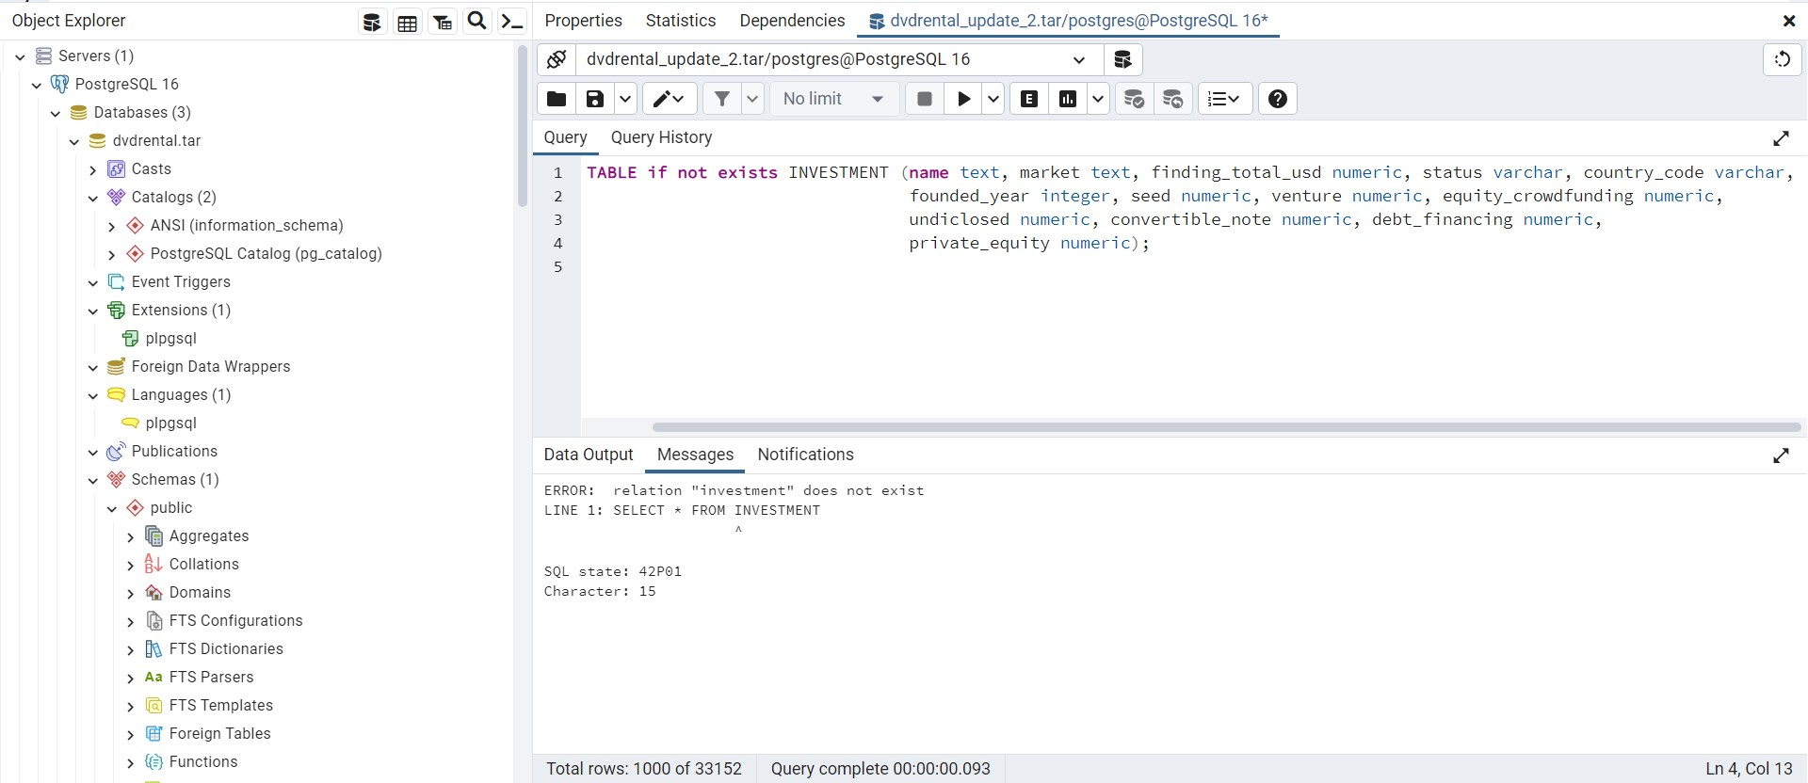

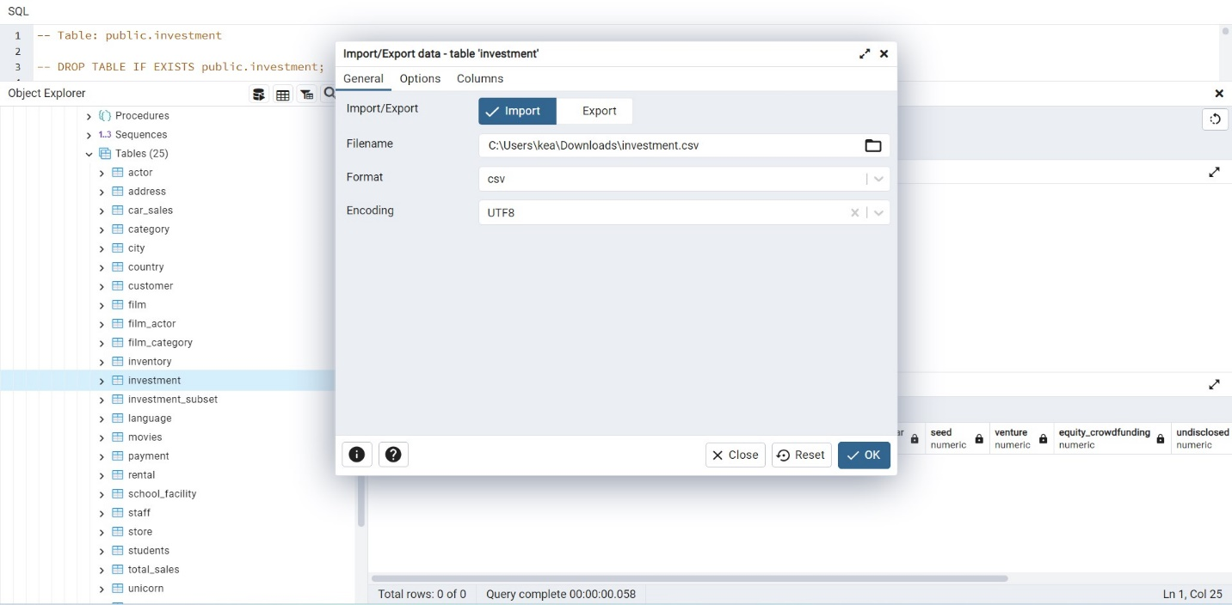
TASK 1:B
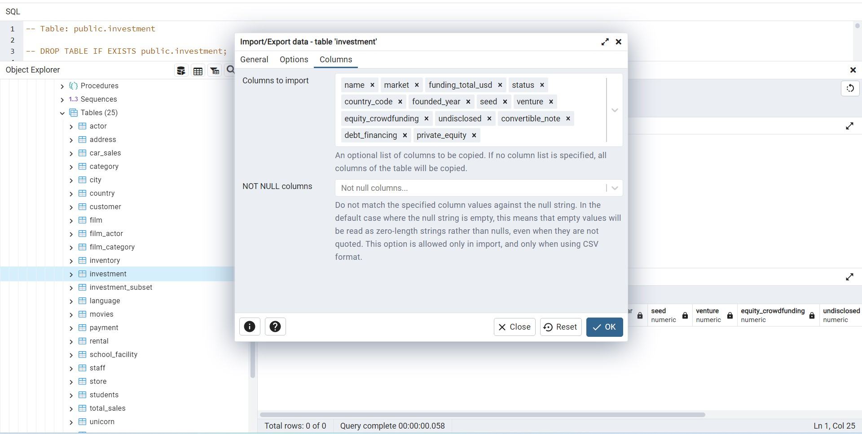

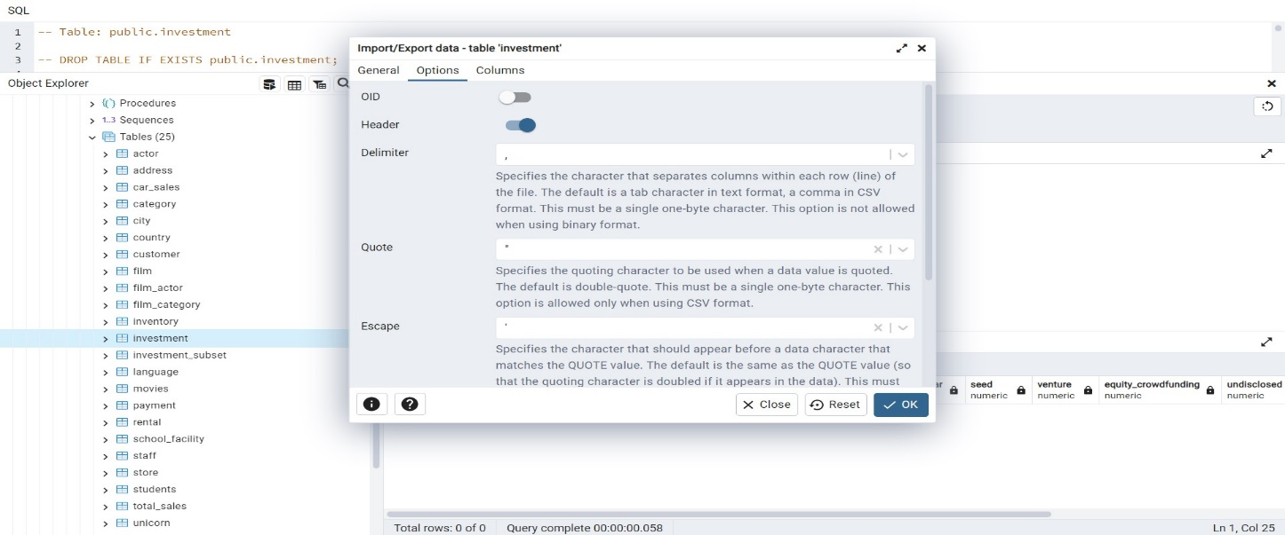

TASK 1:C
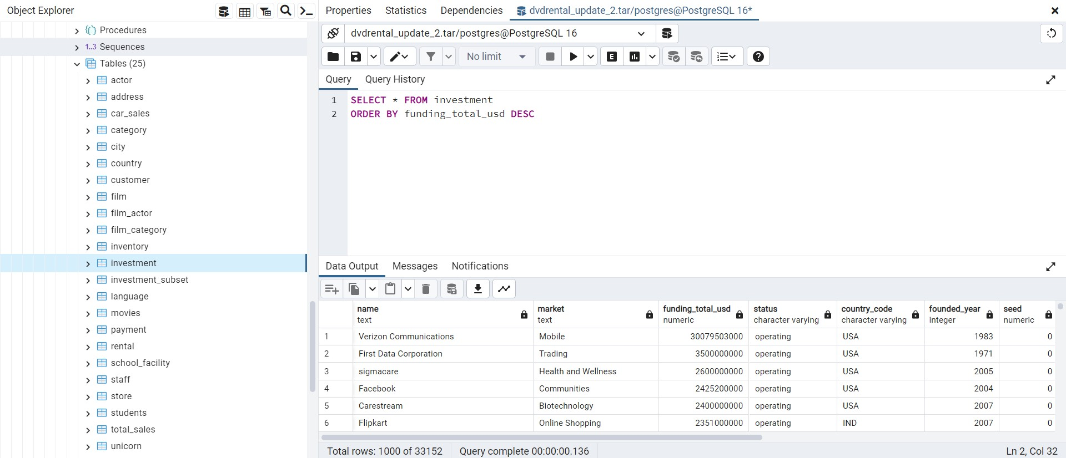

TASK 2:A
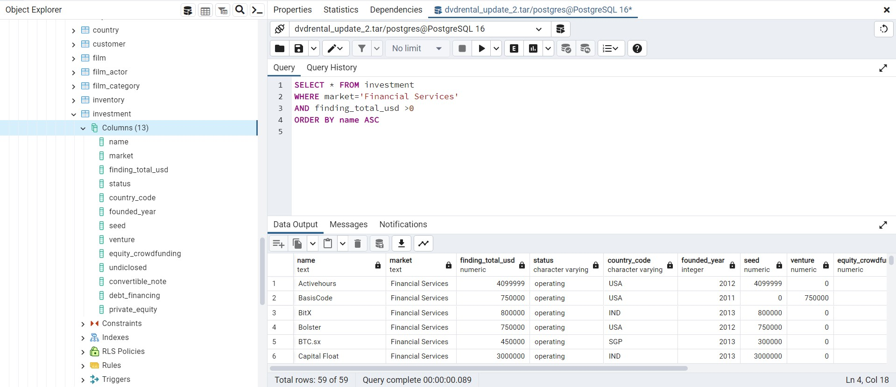

TASK 2:B
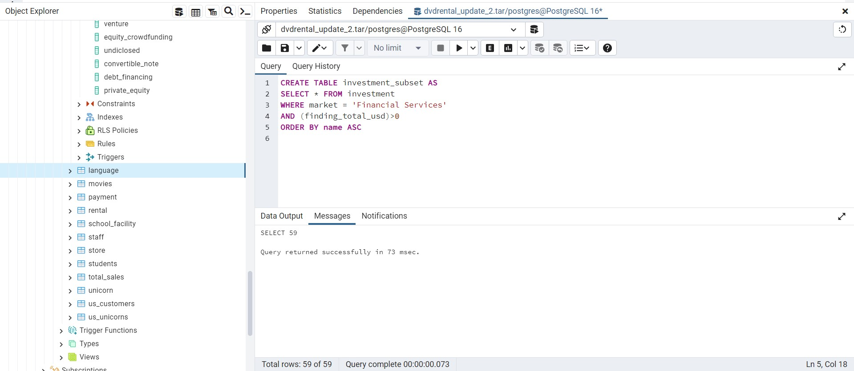

TASK 2:C

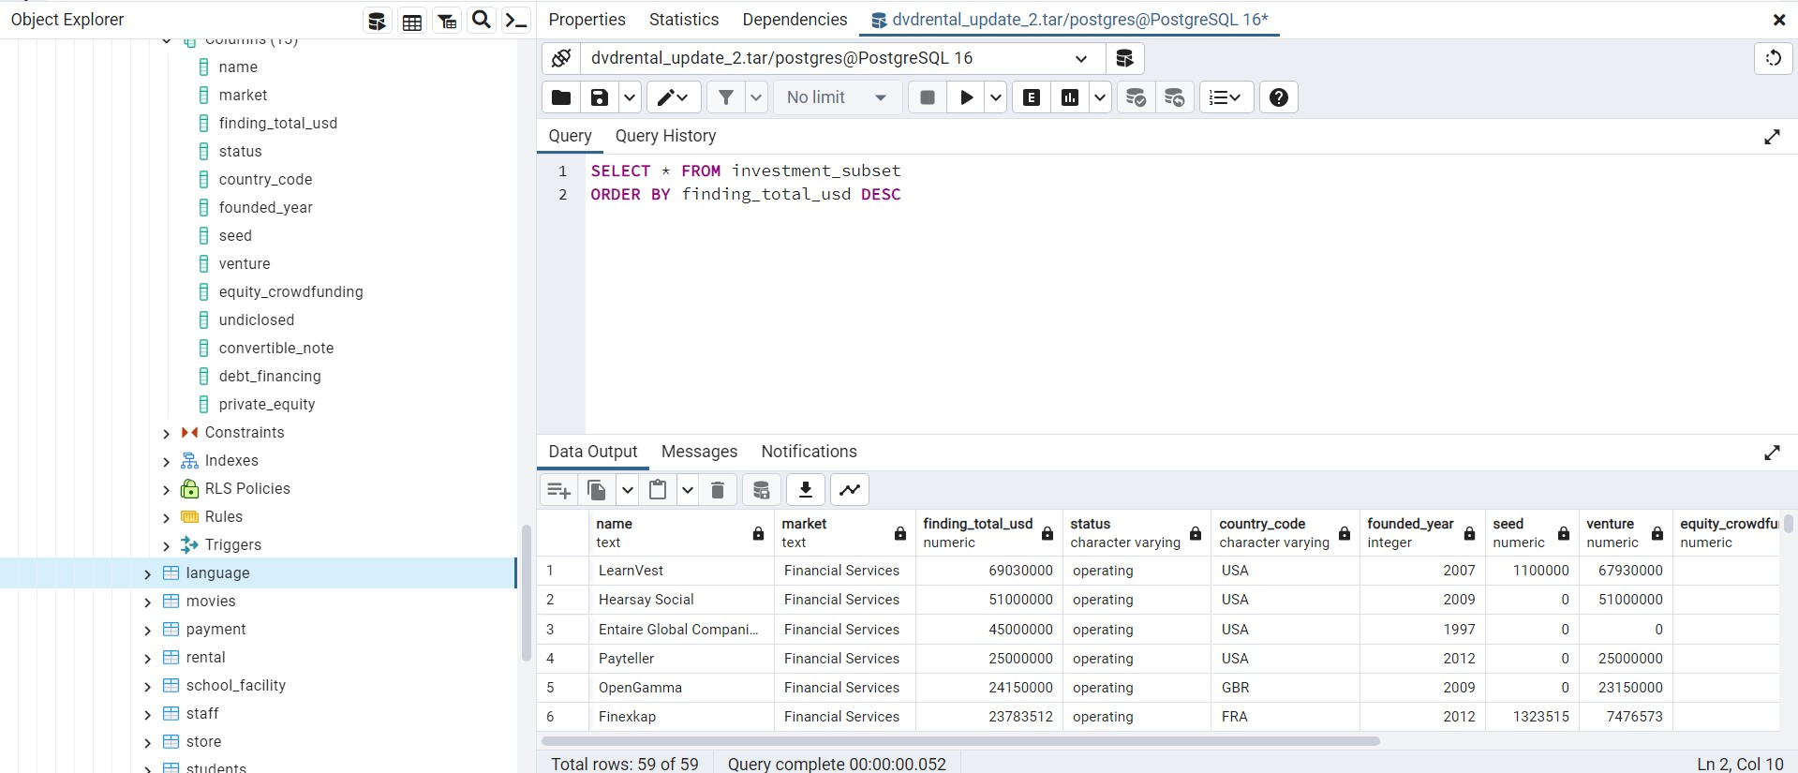

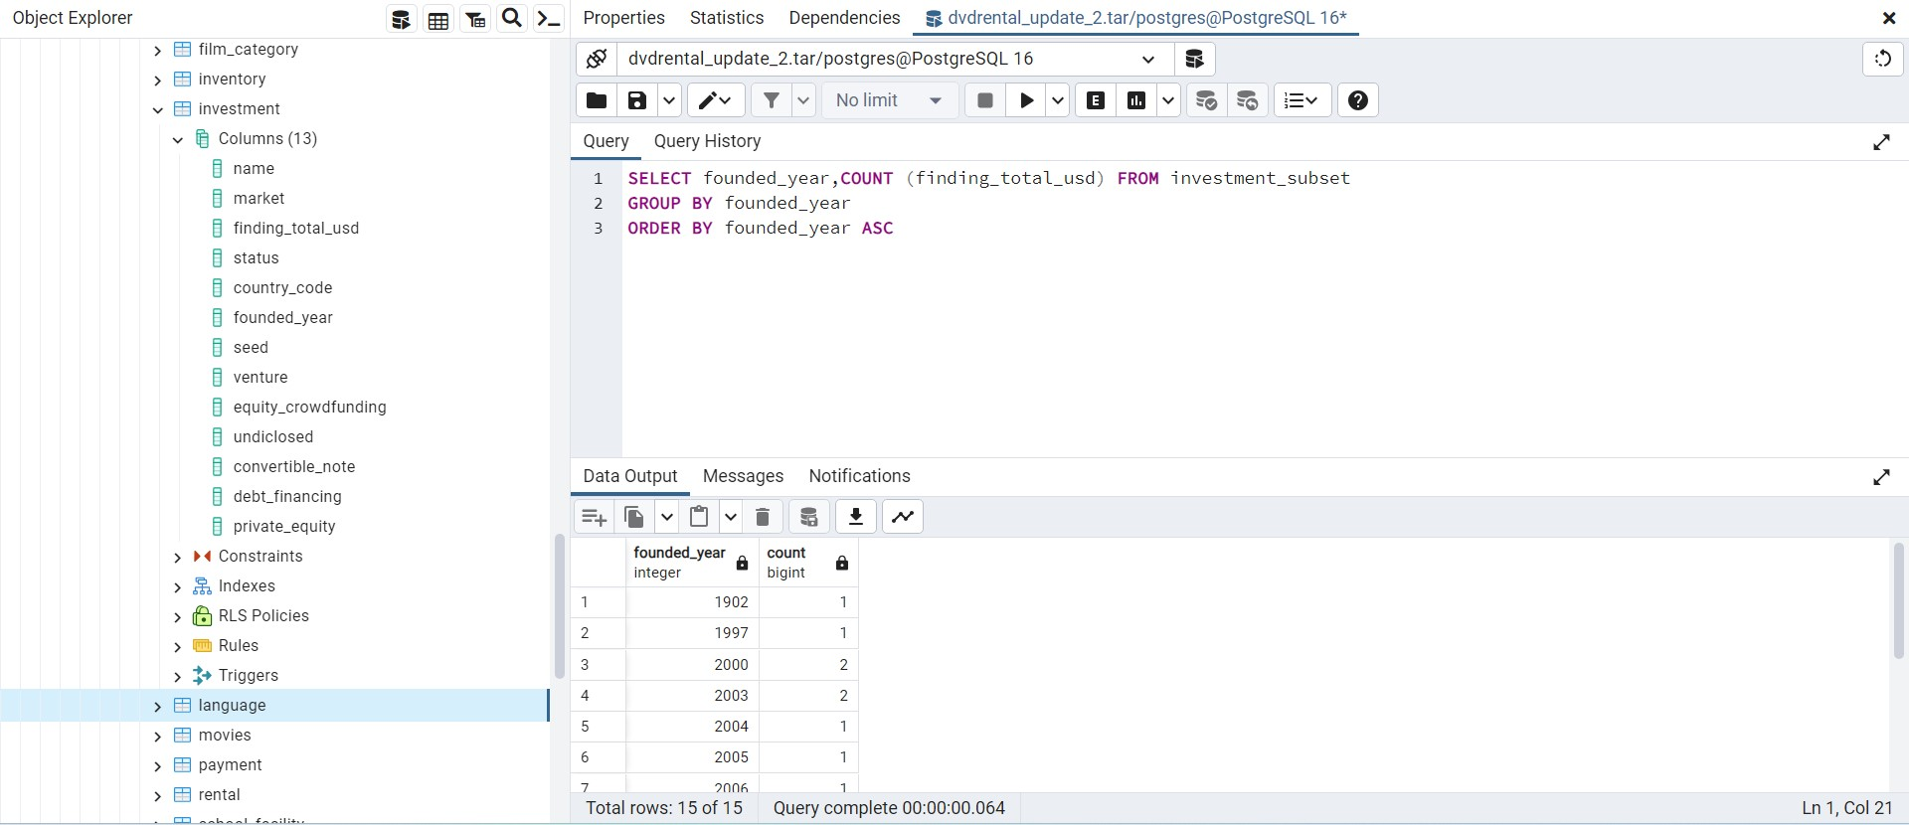
TASK 3:A

TASK 3:B
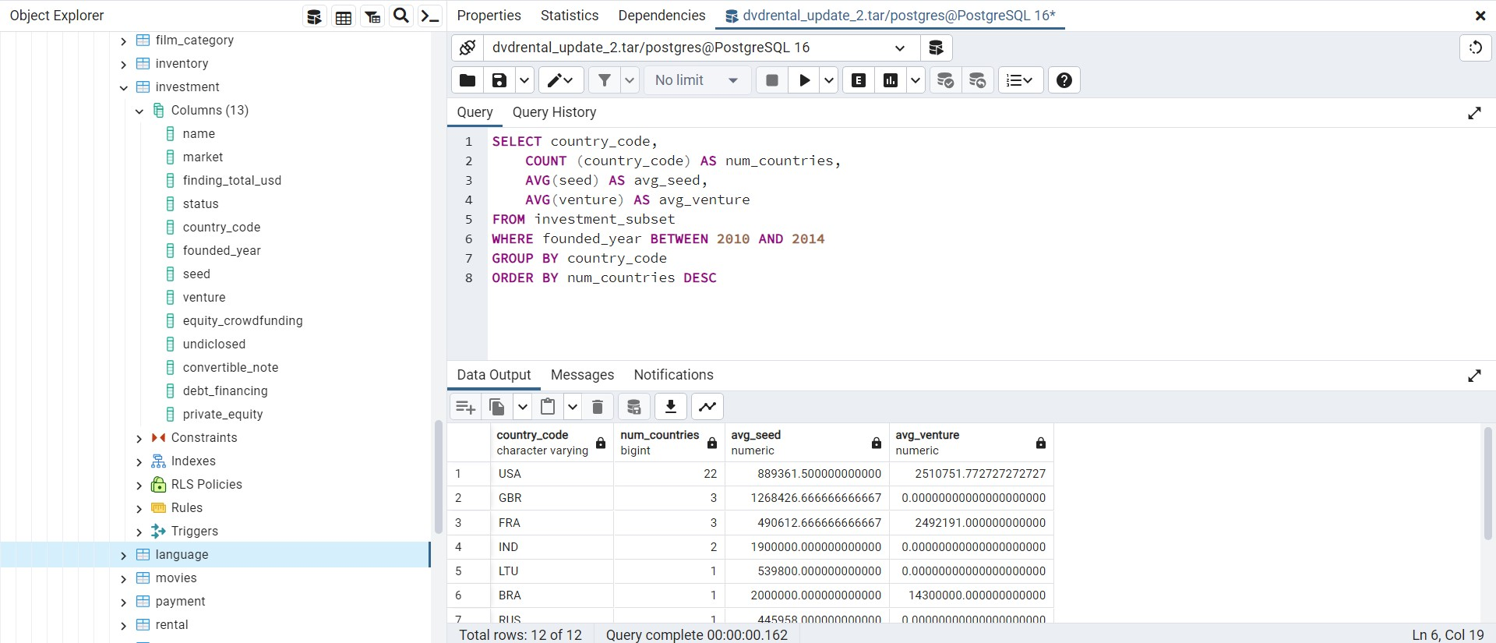

TASK 3:C
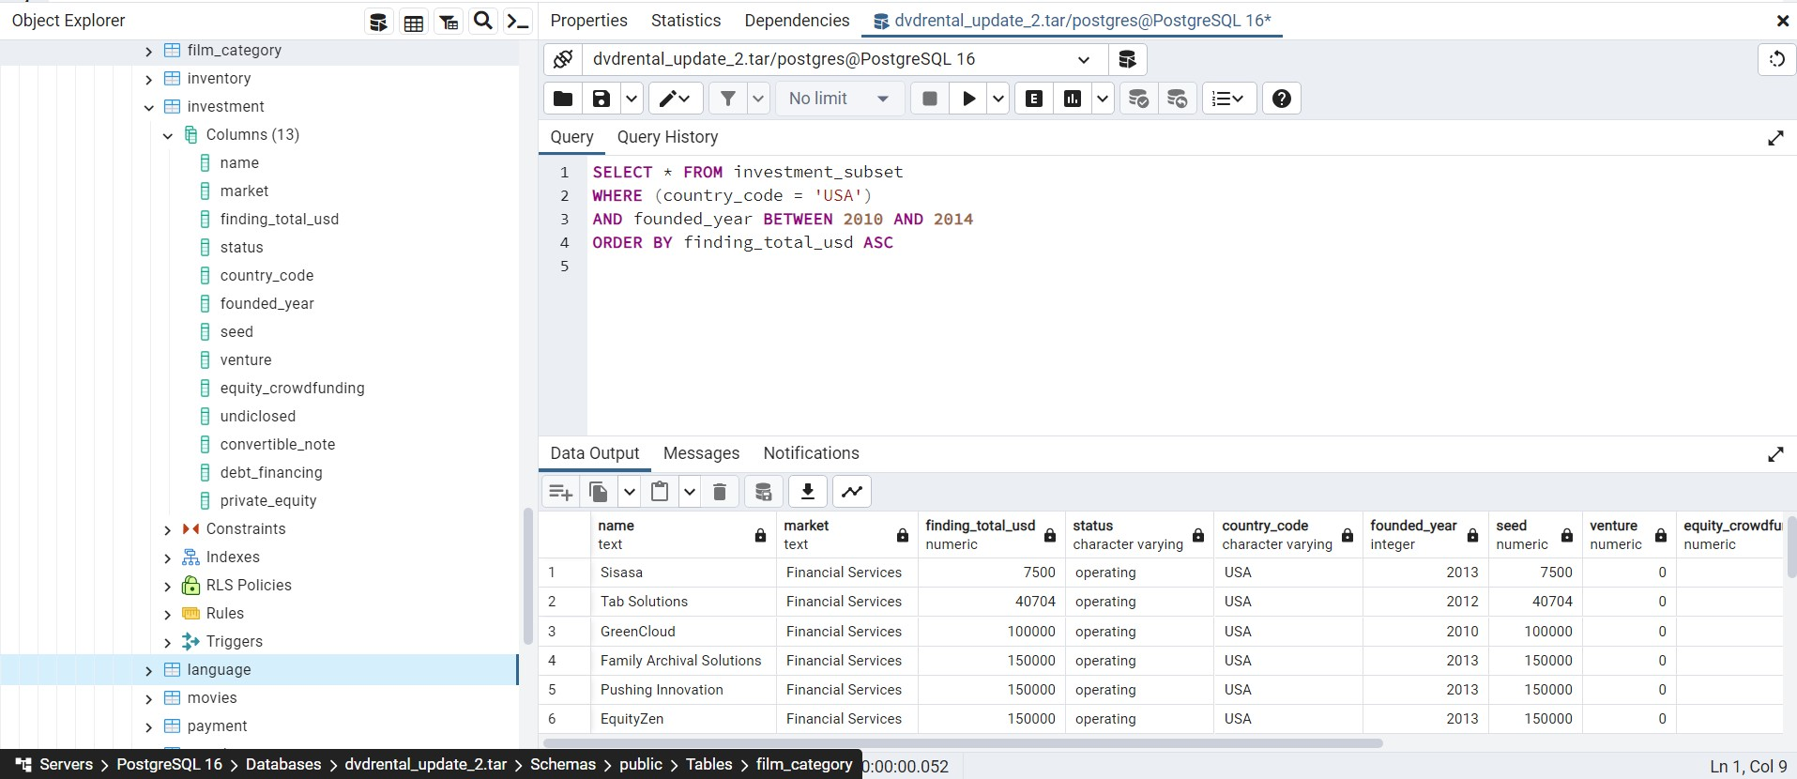

TASK 4:A
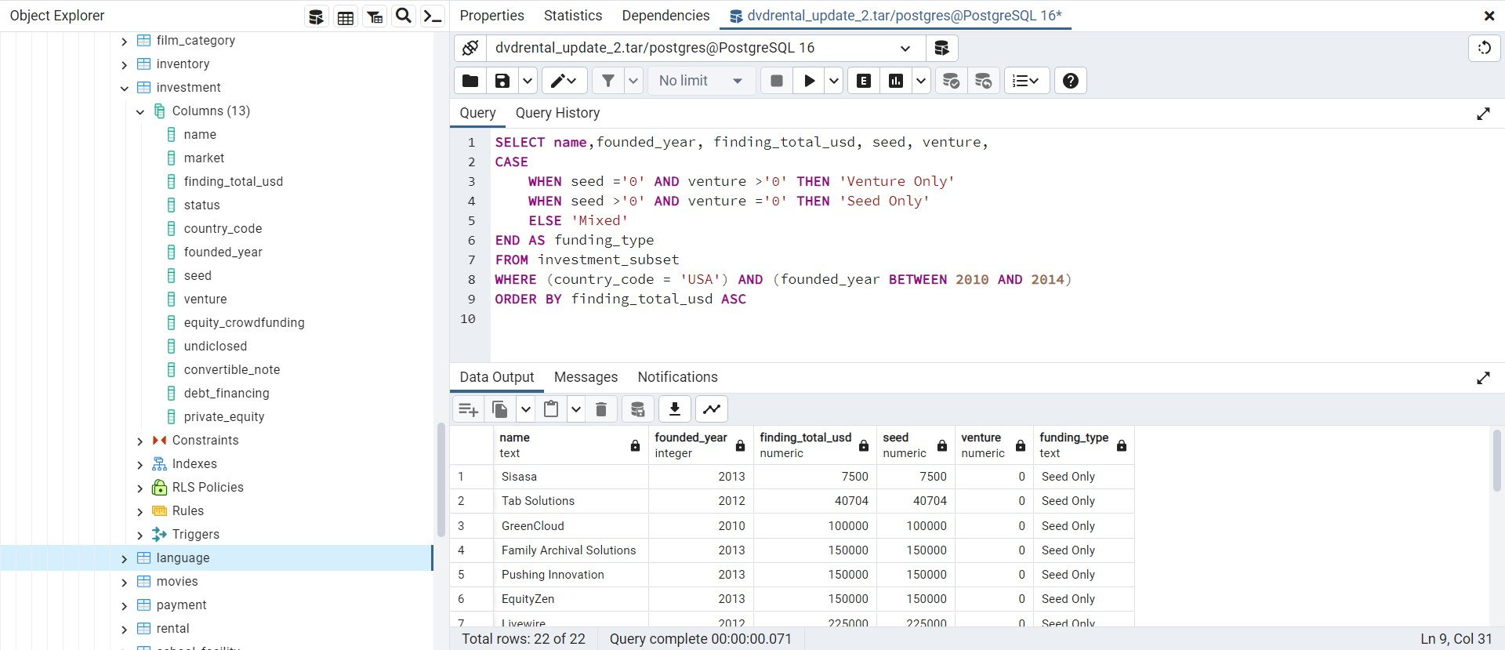

TASK 4:B
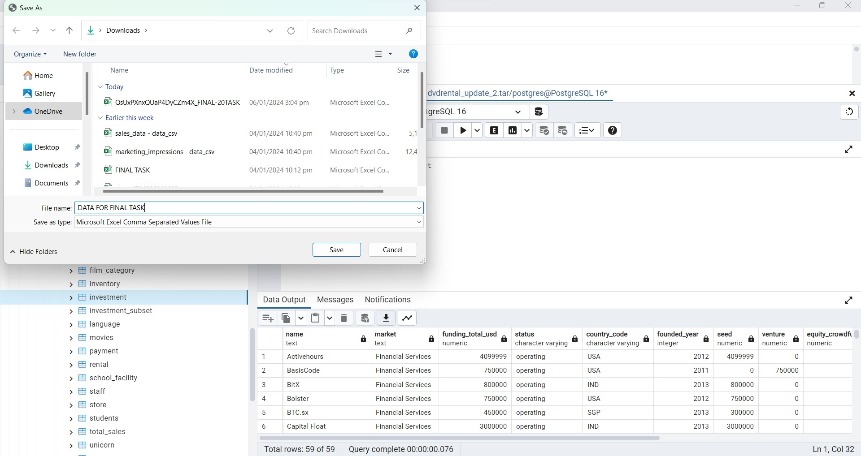

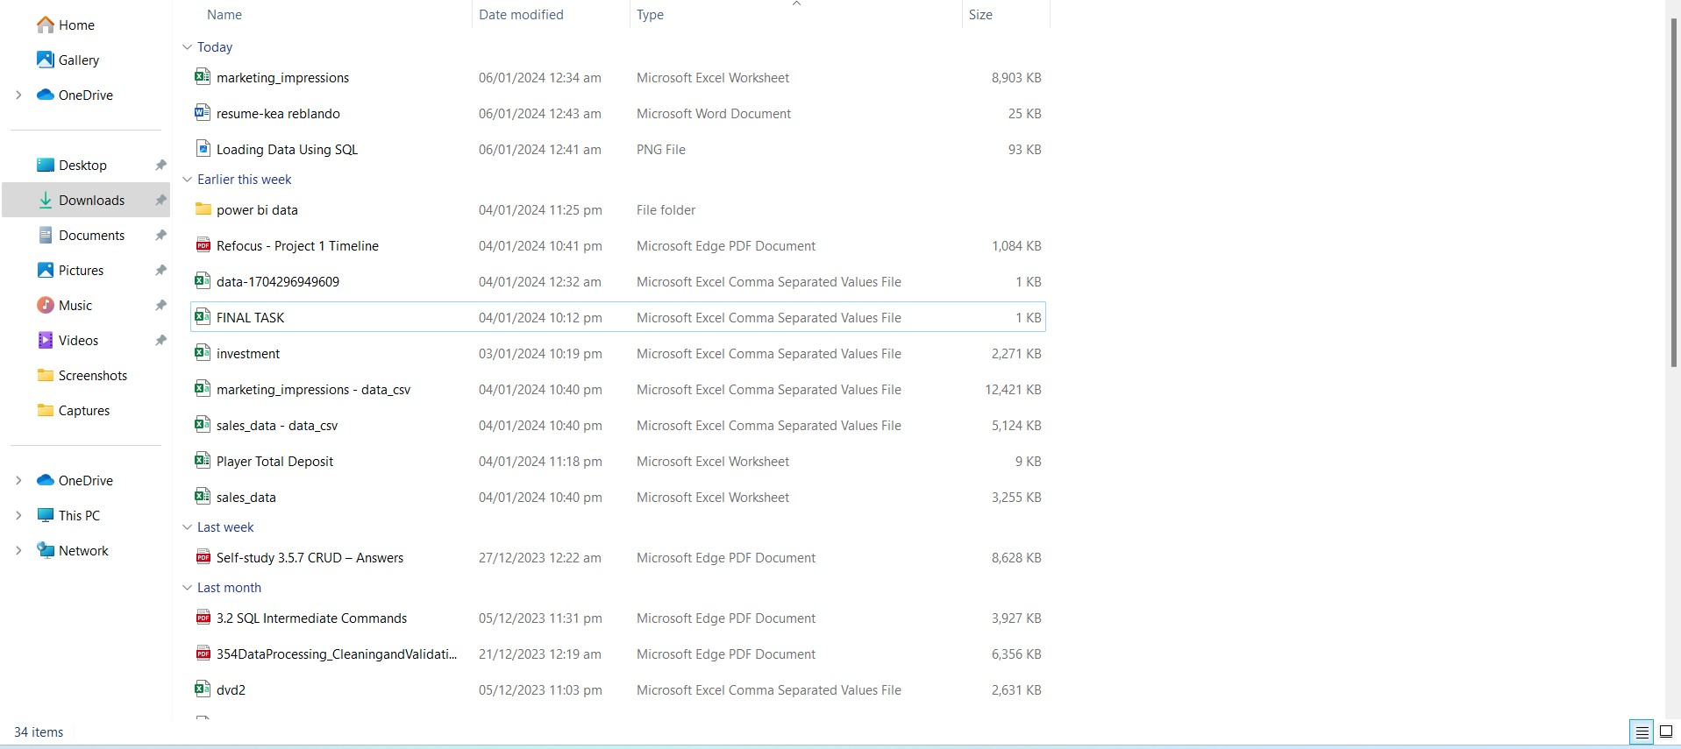

COUNT OF COMPANIES PER FUNDING TYPE
TASK 5:A
Row Labels | Count of funding_type
Mixed | 14%
Venture Only | 23%
Seed Only | 64%
Grand Total | 100.00%
 |  |  |  |  |  | Row Labels | Sum of funding_total_usd | Count of funding_type
 |  |  |  |  |  | Mixed | 13213564 | 14%
 |  |  |  |  |  | Seed Only | 17098203 | 64%
 |  |  |  |  |  | Venture Only | 44490725 | 23%
 |  |  |  |  |  | Grand Total | 74802492 | 100.00%

FUNDING TYPE VS FUNDING TOTAL

FUNDING BETWEEN COMPANIES BY FUNDING TYPE
Row Labels | Sum of funding_total_usd
Mixed | 13213564
Seed Only | 17098203
Venture Only | 44490725
Grand Total | 74802492

TASK 6

Based from the above shown data, I recommend that start-up company should invest in VENTURE ONLY type of funding because it shows that
there is almost 44, 490, 725 FUNDING TOTAL in USD which will secure their company in gaining high profit.

name | founded_year | funding_total_usd | seed | venture | funding_type
Sisasa | 2013 | 7500 | 7500 | 0 | Seed Only
Tab Solutions | 2012 | 40704 | 40704 | 0 | Seed Only
GreenCloud | 2010 | 100000 | 100000 | 0 | Seed Only
Family Archival Solutions | 2013 | 150000 | 150000 | 0 | Seed Only
Pushing Innovation | 2013 | 150000 | 150000 | 0 | Seed Only
EquityZen | 2013 | 150000 | 150000 | 0 | Seed Only
Livewire | 2012 | 225000 | 225000 | 0 | Seed Only
Cardley | 2012 | 475000 | 475000 | 0 | Seed Only
Peach | 2013 | 550000 | 550000 | 0 | Seed Only
Disruption Corporation | 2013 | 740725 | 0 | 740725 | Venture Only
Bolster | 2012 | 750000 | 750000 | 0 | Seed Only
BasisCode | 2011 | 750000 | 0 | 750000 | Venture Only
Upside | 2013 | 1200000 | 100000 | 1100000 | Mixed
Portfolia | 2012 | 1500000 | 0 | 1500000 | Venture Only
Sliced Investing | 2014 | 2000000 | 2000000 | 0 | Seed Only
FlexScore | 2012 | 4000000 | 4000000 | 0 | Seed Only
Activehours | 2012 | 4099999 | 4099999 | 0 | Seed Only
Harvest Exchange | 2012 | 4400000 | 4400000 | 0 | Seed Only
MoneyFarm | 2011 | 5613564 | 967750 | 4645814 | Mixed
Pocket Change | 2011 | 6400000 | 1400000 | 5000000 | Mixed
L2 | 2010 | 16500000 | 0 | 16500000 | Venture Only
Payteller | 2012 | 25000000 | 0 | 25000000 | Venture Only

